JVM vs JRE vs JDK
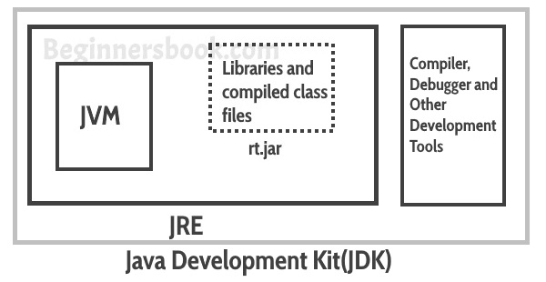
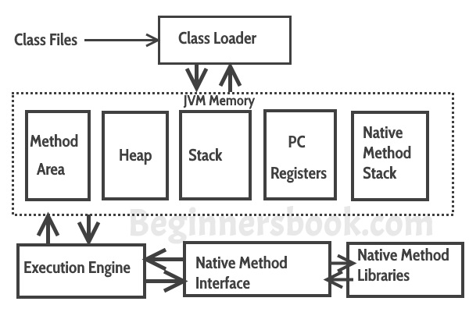

JDK : provides all the tools, executables and binaries required to compile, debug and execute a Java Program
JDK is a platform-specific software and that’s why we have separate installers for Windows, Mac, and Unix systems

JRE: JRE is the environment within which the java virtual machine runs.
JRE contains Java virtual Machine(JVM), class libraries, and other files excluding development tools such as compiler and debugger.
Which means you can run the code in JRE but you can’t develop and compile the code in JRE. | JVM: JVM runs the program by using class, libraries and files provided by JRE.
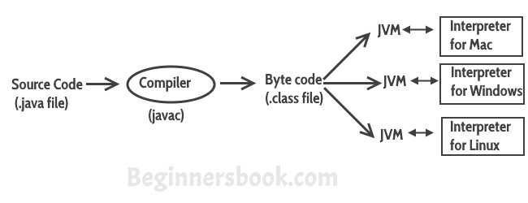
 | Lets see how JVM works:
 | Class Loader: The class loader reads the .class file and save the byte code in the method area.

 | Method Area: There is only one method area in a JVM which is shared among all the classes. This holds the class level information of each .class file.

 | Heap: Heap is a part of JVM memory where objects are allocated. JVM creates a Class object for each .class file.

 | Stack: Stack is a also a part of JVM memory but unlike Heap, it is used for storing temporary variables.

 | PC Registers: This keeps the track of which instruction has been executed and which one is going to be executed. Since instructions are executed by threads, each thread has a separate PC register.

 | Native Method stack: A native method can access the runtime data areas of the virtual machine.

Java is platform independent. Because the Java compiler converts the source code to bytecode, which is Intermidiate Language. |  | Native Method interface: It enables java code to call or be called by native applications. Native applications are programs that are specific to the hardware and OS of a system.
Bytecode can be executed on any platform (OS) using JVM( Java Virtual Machine).
 |  | Garbage collection: A class instance is explicitly created by the java code and after use it is automatically destroyed by garbage collection for memory management.

